Notes
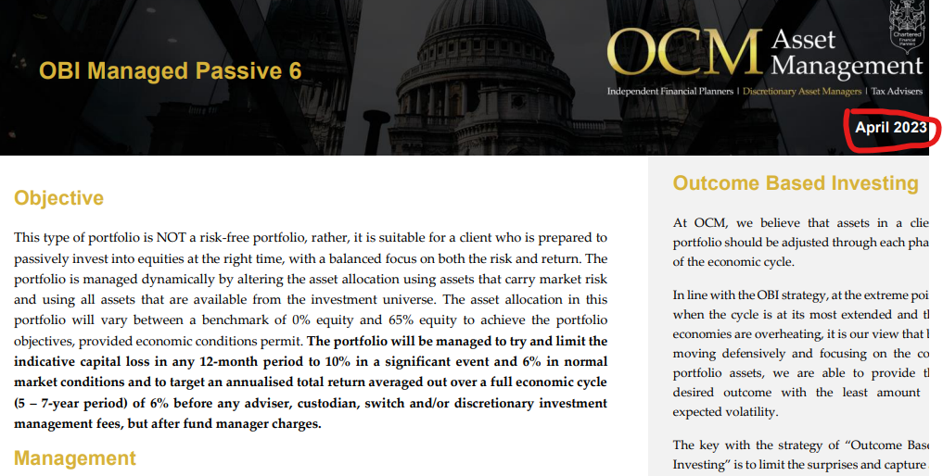
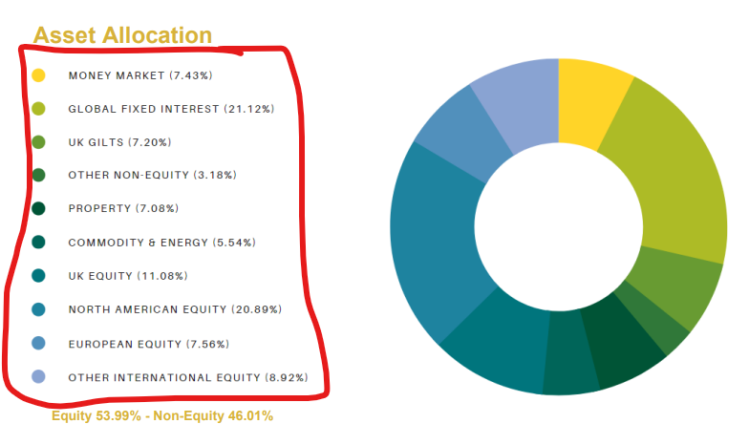
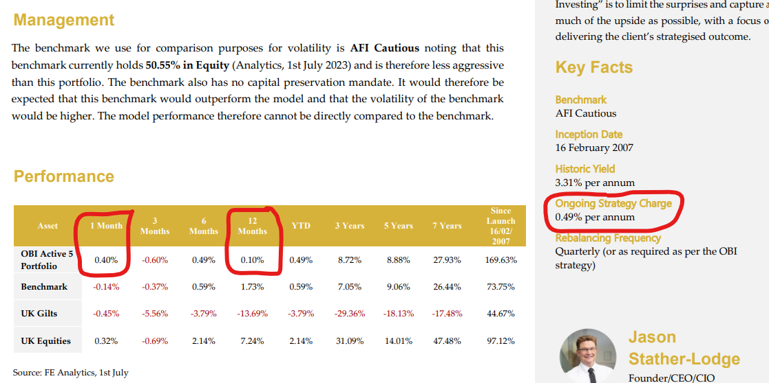
Additional information | Asset allocation

Additional Information
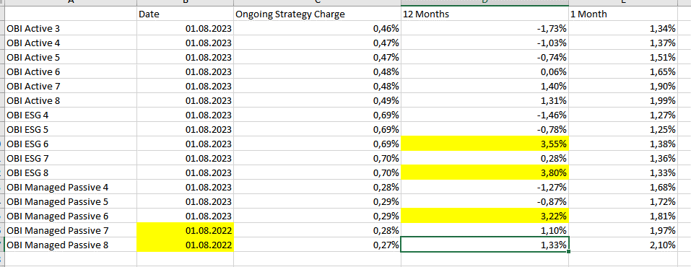
 | Date | Ongoing Strategy Charge | 12 Months | 1 Month
OBI Active 3 | 2023-08-01 | 0.46% | -1.73% | 1.34%
OBI Active 4 | 2023-08-01 | 0.47% | -1.03% | 1.37%
OBI Active 5 | 2023-08-01 | 0.47% | -0.74% | 1.51%
OBI Active 6 | 2023-08-01 | 0.48% | 0.06% | 1.65%
OBI Active 7 | 2023-08-01 | 0.48% | 1.40% | 1.90%
OBI Active 8 | 2023-08-01 | 0.49% | 1.31% | 1.99%
OBI ESG 4 | 2023-08-01 | 0.69% | -1.46% | 1.27%
OBI ESG 5 | 2023-08-01 | 0.69% | -0.78% | 1.25%
OBI ESG 6 | 2023-08-01 | 0.69% | 0.00% | 1.38%
OBI ESG 7 | 2023-08-01 | 0.70% | 0.28% | 1.36%
OBI ESG 8 | 2023-08-01 | 0.70% | 0.00% | 1.33%
OBI Managed Passive 4 | 2023-08-01 | 0.28% | -1.27% | 1.68%
OBI Managed Passive 5 | 2023-08-01 | 0.29% | -0.87% | 1.72%
OBI Managed Passive 6 | 2023-08-01 | 0.29% | 0.00% | 1.81%
OBI Managed Passive 7 | 2022-08-01 | 0.28% | 1.10% | 1.97%
OBI Managed Passive 8 | 2022-08-01 | 0.27% | 1.33% | 2.10%

